1. Title Page
Grocery Basket Analysis

Project Name: Instacart Basket Analysis
Date: February 21, 2023
Analyst Name: Tammy Sique

Contents:
Population Flow
Consistency checks
Wrangling steps
Column derivations
Visualizations
Recommendations

Data source:
“The Instacart Online Grocery Shopping Dataset 2017”, Accessed from
https://www.instacart.com/datasets/grocery-shopping-2017

According to CareerFoundry,
"the customer data you explored in Exercises 4.9 and 4.10, as well as the “prices” column in the products data set, were both fabricated for the purpose of this course"
Accessed from
https://careerfoundry.com/en/course/data-immersion/exercise/coding-etiquette-reporting#instacart-analysis-final-report
on February 21, 2023

2. Population Flow
Population flow

Exclusion flag
Condition: max_order < 5
Obervations to be removed: 1,025,482
Final total count of order_products_all: 29,303,281

Orders_products_combined
Orders_products_merged
Orders_products_all

Total: 30,328,763
Total: 30,356,421
Total: 30,328,763

3. Consistency checks
 |  |  |  | Title page
Consistency checks

Dataset | Missing values | Missing values treatment | Duplicates
df_prods | 16 | subset created, then clean dataframe was created: df_prods_clean | -
df_prods_clean | - | - | 5
df_ords | 206,209 | subset created, then clean dataframe was created: df_ords_clean

4. Wrangling steps
 |  |  |  |  | Title page
Wrangling steps

Dataset | Columns dropped | Columns renamed | Columns type changed | Comment/Reason
df_ords_2 | eval_sets |  |  | not neded for analysis
df_ords_2 |  | order_dow |  | changed to order_day_of_week to be more clear
df_ords_2 |  |  | order_id | changed to 'string' because it's not useful as a numeric data
df_ords_2 |  |  | user_id | changed to 'string' because it's not useful as a numeric data
df_ords_prods | _merge |  |  | only needed temporarily to ensure dataset merge was successful, but is not needed for analysis
df_cust |  | STATE |  | to match rest of row name format
df_cust |  | Gender | gender | to match rest of row name format
df_cust |  | Age | age | to match rest of row name format
df_cust | First Name |  |  | not needed for analysis
df_cust | Surnam |  |  | not needed for analysis
df_cust | date_joined |  |  | not needed for analysis

df_cust |  | n_dependants |  | changed to number_dependents
ords_prods | _merge |  |  | only needed temporarily to ensure dataset merge was successful, but is not needed for analysis

5. Column derivations
Column derivations and aggregations

Dataset | New column | Column/s it was derived from | Conditions
df_ords_prods_merge | price_range_loc | price | >15 'High-range product', <= 15 & >5 'Mid-range product', <= 5 'Low-range product'
df_ords_prods_merge | busiest_day | orders_day_of_week | 0 or 1 'Busiest Days' 3 or 4 'Least busy' else 'Regularly busy'
df_ords_prods_merge | busiest_period_of_day | order_hour_of_day | <= 9 and <=16 'Most orders' <=17 and <=22 or =7 or 8 'Average orders' else 'Fewest orders'
ords_prods_merge | max_ order | user_id & order_number | max orders grouped by user_id
ords_prods_merge | loyalty_flag | max_order | > 40 'Loyal customer' <= 40 and > 10 'Regular customer' <= 10 'New customer'
ords_prods_merge | average_price | user_id & prices | mean prices grouped by user_id
ords_prods_merge | spending_flag | average_price | < 10 'Low spender' >= 10 'High spender'
ords_prods_merge | median_orders | user_id & days_since_prior_order | median orders grouped by user_id
ords_prods_merge | order_frequency_flag | median_orders | > 20 'Non-frequent customer' > 10 and <= 20 'Regular customer' <= 10 'Frequent customer'
ords_prods_cust | activity_flag | max_order | < 5 'Low activity' >= 5 'High activity'
ords_prods_cust | region | state | Northeast = Main, New Hampshire, Vermont, Massachusetts, Rhode Island, Connecticut, New York, Pennsylvania, New Jersey Midwest = Wisconsin, Michigan, Illinois, Indiana, Ohio, North Dakota, South Dakota, Nebraska, Kansas, Minnesota, Iowa, Missouri South = Delaware, Maryland, District of Columbia, Virginia, West Virginia, North Carolina, South Carolina, Georgia, Florida, Arkansas, Louisiana, Kentucky, Tennessee, Mississippi, Alabama, Oklahoma, Texas West = Idaho, Montana, Wyoming, Nevada, Utah, Colorado, Arizona, New Mexico, Alaska, Washington, Oregon, California, Hawaii
cust | age_group | age | >= 18 and < 40 'Young adults' >= 40 and < 65 'Middle age' >= 65 'Seniors'
cust | class | income | Low < 53,000 Middle 53,000 - 107,000 Upper Middle 107,000 - 374,000 High >= 374,000
cust | kids | number_dependents | 0 = No 1-3 = Yes
cust | profile | kids and age_group | No and Young Adult = Single Adult Yes and Young Adult = Young Parent No and Middle Age = Single Middle Adult Yes and Middle Age = Parent No and Senior = Retired Senior Yes and Senior = Grandparent

6. Visualizations
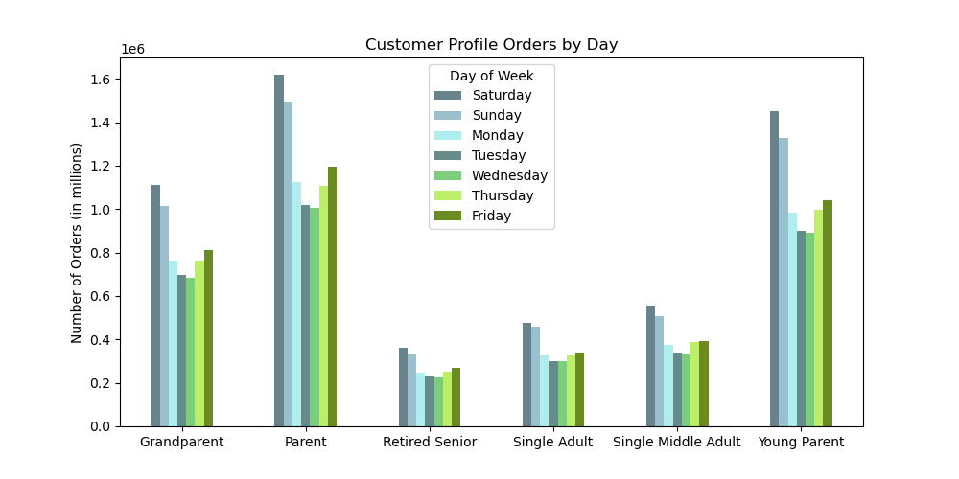
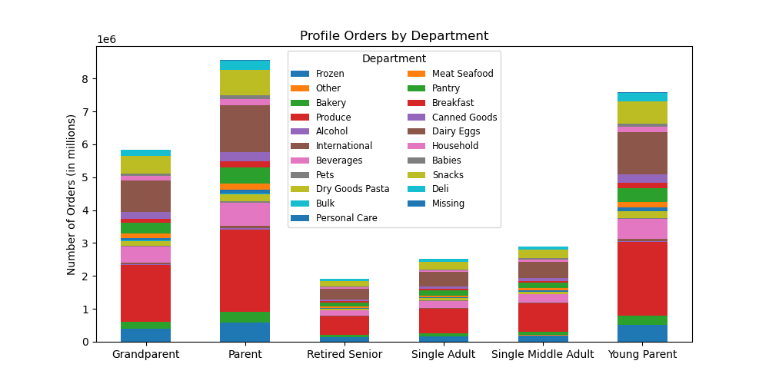
Key Questions

Visualizations

1. The sales team needs to know what the busiest days of the week and hours of the day are (i.e., the days and times with the most orders) in order to schedule ads at times when there are fewer orders.

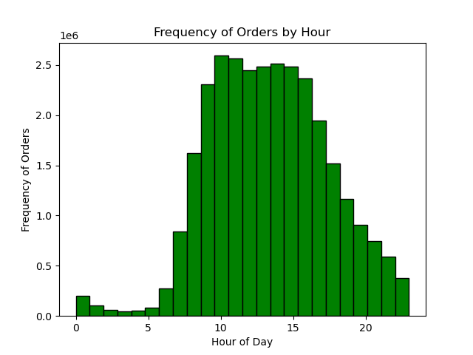
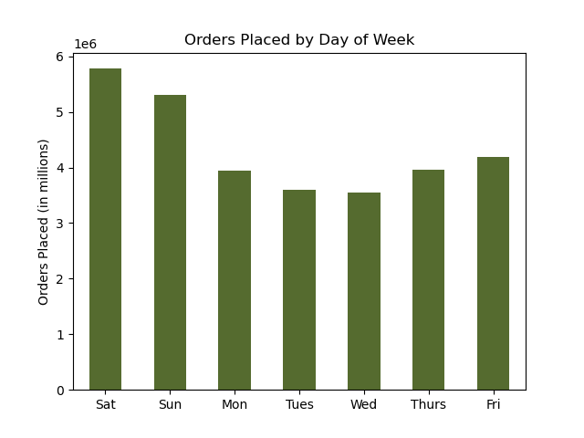

The busiest days are Saturday, Sunday, and Friday. The busiest hours are 10 am - 3 pm.

2. They also want to know whether there are particular times of the day when people spend the most money, as this might inform the type of products they advertise at these times.



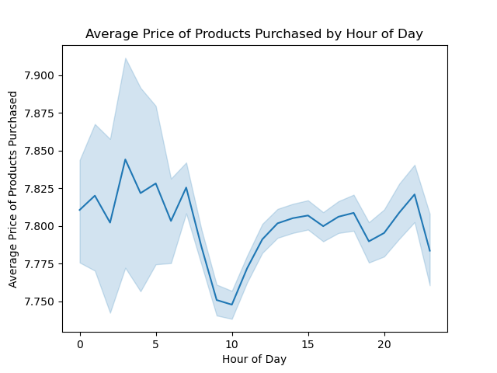

3. Instacart has a lot of products with different price tags. Marketing and sales want to use simpler price range groupings to help direct their efforts.

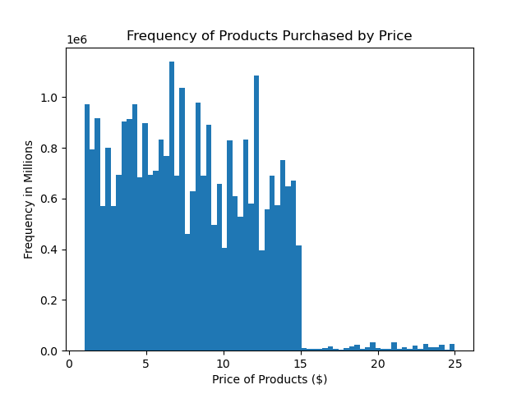

The prices of products range from $2 - $25. The majority of prices ranging from $7- 13.

4. Are there certain types of products that are more popular than others? The marketing and sales teams want to know which departments have the highest frequency of product
orders.

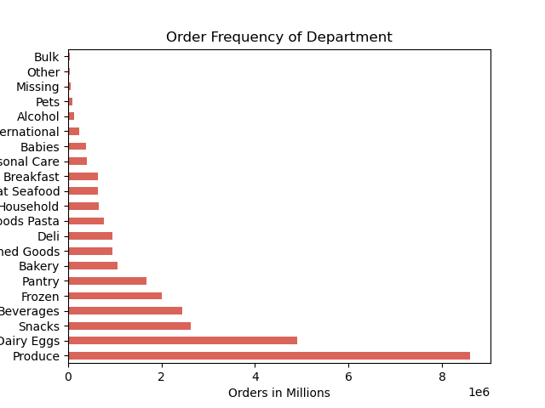

The top five departments ordered are produce, dairy eggs, snacks, beverages, and frozen.

5. The marketing and sales teams are particularly interested in the different types of customers in their system and how their ordering behaviors differ.
a. What’s the distribution among users in regards to their brand loyalty (i.e., how often do they return to Instacart)?

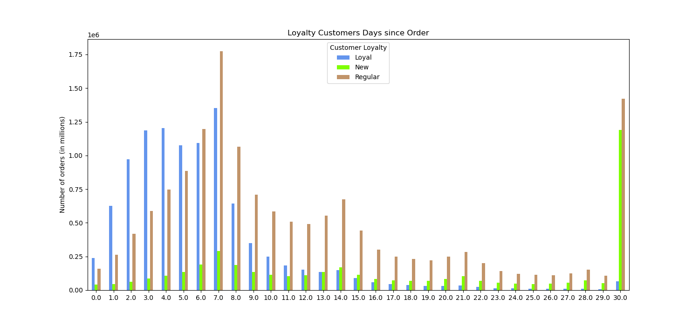

b. Are there differences in ordering habits based on a customer’s loyalty status?

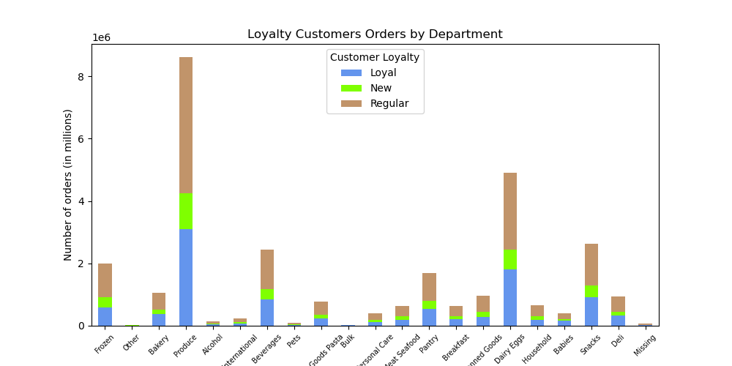

c. Are there differences in ordering habits based on a customer’s region?

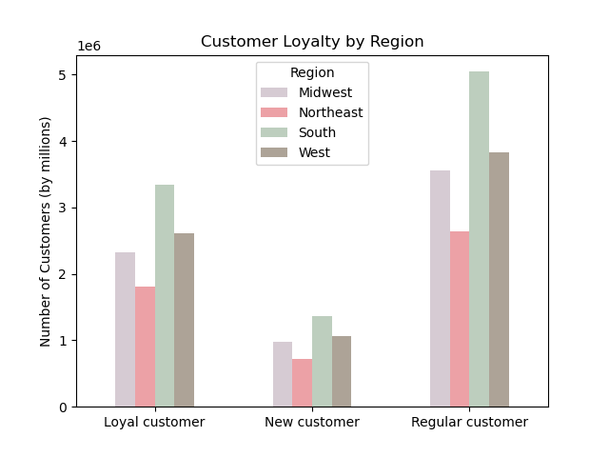
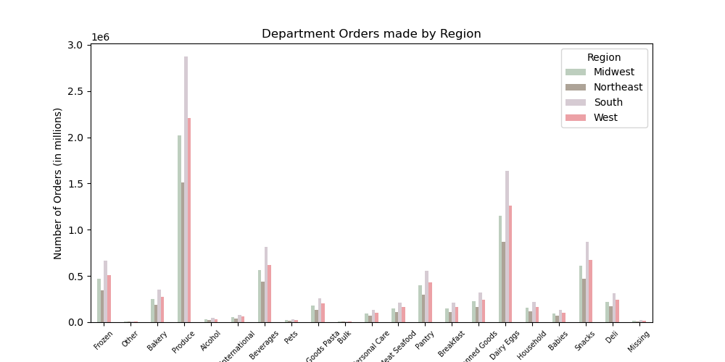

d. Is there a connection between age and family status in terms of ordering habits?

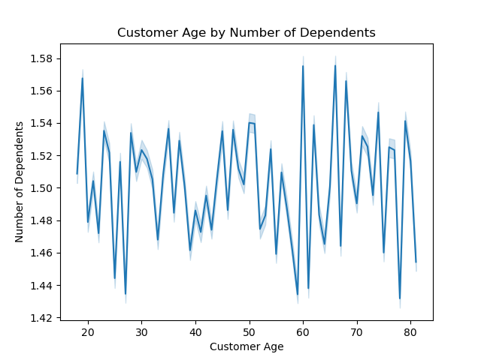

e. What different classifications does the demographic information suggest? Age? Income? Certain types of goods? Family status?

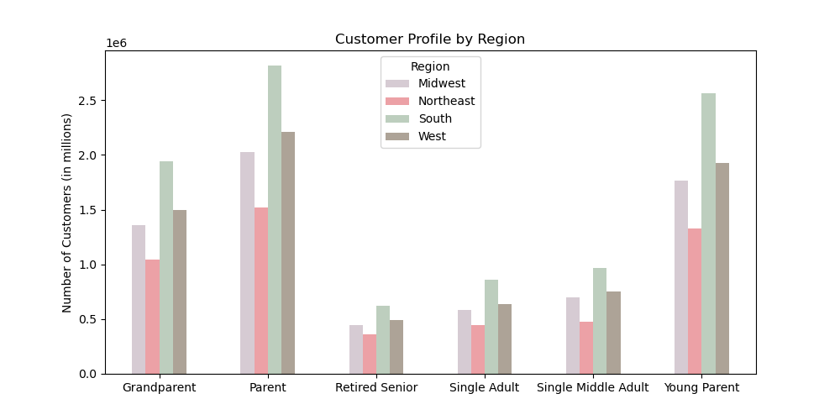

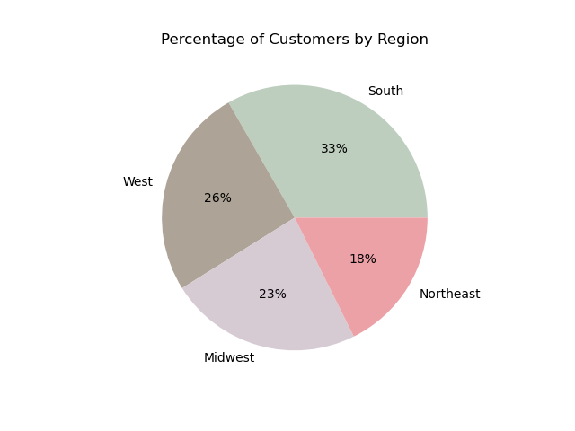

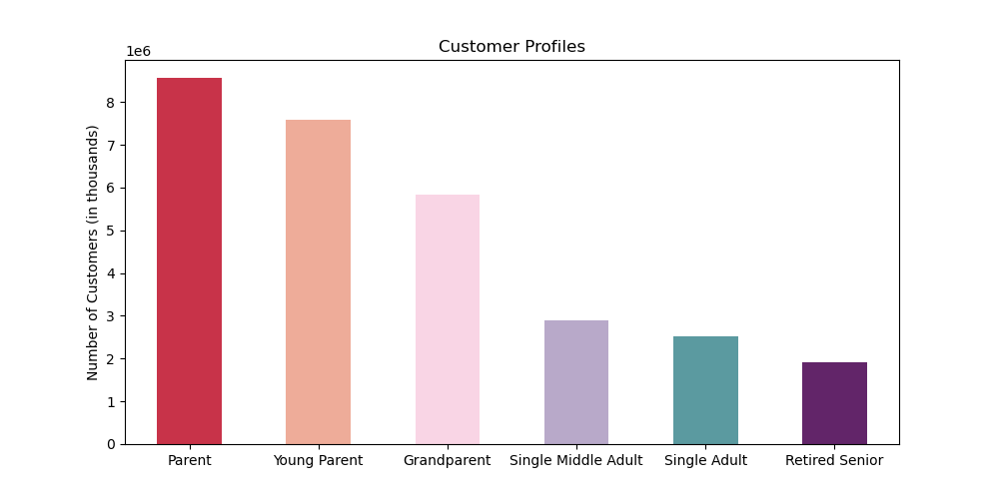

f. What differences can you find in ordering habits of different customer profiles?
Consider the price of orders, the frequency of orders, the products customers are ordering, and anything else you can think of.

7. Recommendations
Recommendations

Questions | Answers/ Recommendations |  | Charts and Aggregations
1. The sales team needs to know what the busiest days of the week and hours of day are (ie the days and times with the most orders) in order to schedule ads at times when there are fewer orders. | The busiest days are Saturday, Sunday, and Friday. The busiest hours are 10 am - 3 pm. The company should focus on advertisments during the weekends and including new deals so entice customers.
2. They also want to know whether there are particular times of the day when people spend the most money, as this might inform the type of products they advertise at these times. | The busiest time of day of between 10am - 3 pm. During these times it would be good to advertise breakfast items from 10 am - 12 pm, then at noon transition advertisment to snacks, beverages, but also inclue meat and seafood items for lunch or dinner options. Late afternoon, 2 pm - 3 pm, advertise frozen foods for a quick dinner option. | 
3. Instacart has a lot of products with different price tags. Marketing and sales want to use simpler price range groupings to help direct their effots. | The prices of products range from approximatly $2 - $25. The majority of prices ranging from about $7- 13.
4. Are there certain types of products that are more popular than others? The marketing and sales teams want to know which departments have the highest frequency of product orders. | The top five departments ordered are produce, dairy eggs, snacks, beverages, and frozen.
5. The marketing and sales teams are particularly interested in the different types of customers in their system and how their ordering behaviors differ:
a. What's the districbution among users in regards to their brand loyalty (ie. How often do they retrun to Instacart?) | Loyal customers are making most of their orders between 3-7 days. Regular customers mostly make their orders at 7 days or 30 days with variation in between. New customers vary a lot when their next order will be, but the high point is 30 days. We could do a cutomer review or survey to find out why regular and new customers aren't ordering as frequently and find a way to encourage them to make more frequent purchases to become loyal customers.
b. Are there differences in ordering habits based on a customer's loyalty status? | Ordering habits seem to be the same between each loyalty. New customers do have the least amount of orders. The company should look into what the current new customer incentive then check if customers are only using the incentive/ trial period only, or if there are more orders afterwards.
c. Are there differences in ordering habits based on a customer's region? | Looking at the regions, the South is where most of the orders are being made. Advertisements should remain the same in those states, while the Northeast has the lowest orders, so advertisements and even incentives should be marketed more there. The company could test out new incentive programs in the Midweat and Northeast to increase orders. We should also check if their is a competitor that customers in these regions are using more and how we can market our program.
d. Is there a connection between age and family status in terms of ordering habits? | Age and number of dependents does not have a connection. There is much fluxuation between the two.
e. What different classifications does the demographic information suggest? Age? Income? Certain types of goods? Family status? | Overall customers who are a parent and live in the South are making the most orders. Those customers should be focused on with ads pertaining to family and even have deals on family items. Since families are making the majority of orders, then advertising and creating an insentive for bulk items, one of the lowest orders, should be made to increase bulk orders. Retired seniors make the least orders, a senior discount could be created during the week for them, such as low order days Tuesday and Wednesdays. Single adults are also making the least amount of orders, so since they are young adults and single, we could create a student incentive on Mondays and Fridays beause they may want to get something quick before the beginning of classes and at the end of classes at the end of the week.
f. What differences can you find in ordering habits of different customer profiles? Consider the prices of orders, the frequency of orders, the products customers are ordering, and anything else you can think of. | When it comes to weekend shopping, young parents and parents are doing the most shopping. When looking at frequency, based on items added to cart, parents and single middle adults are the majority. Both groups are middle aged, which should help on how to phrase advertisements and how they are displayed.
Customer Segmentation | Customers asked for ads based on their purchases. In this dataset each profile is making the same purchases, with some small differences. This information lets us know what items we should advertise to each group as well as price ranges they buy from. | 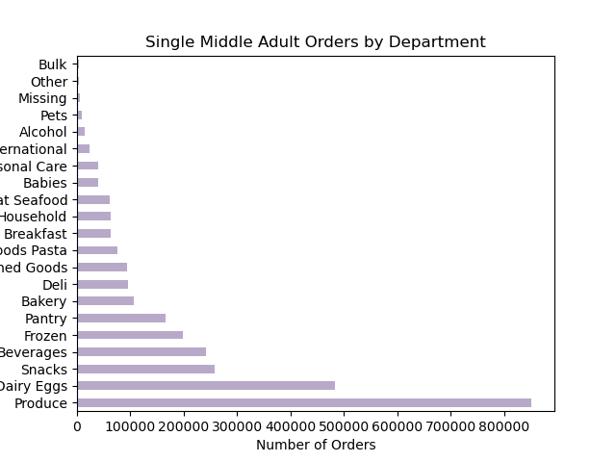 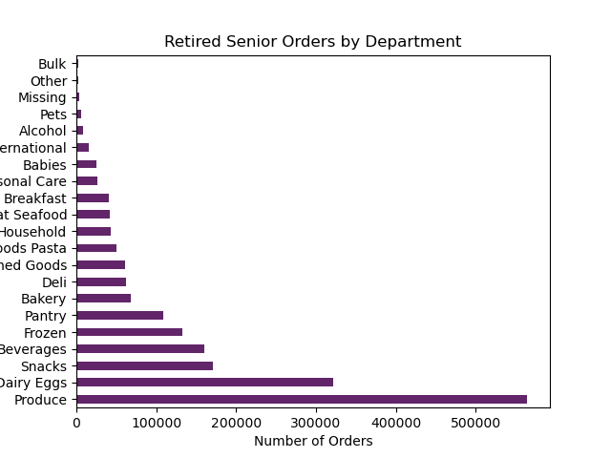 | 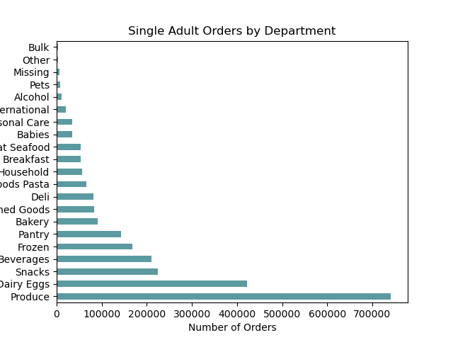 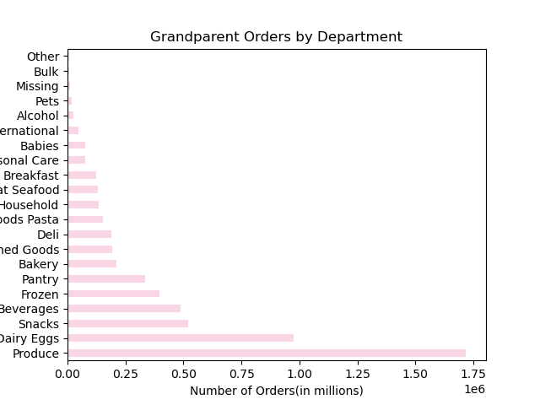
 |  | 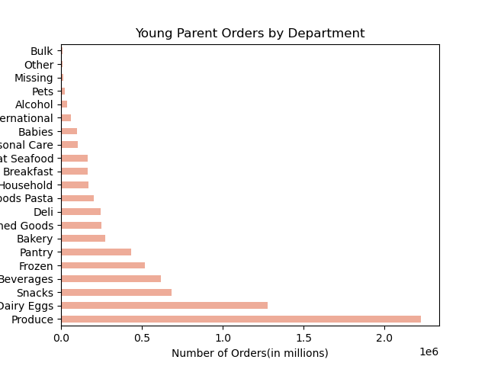 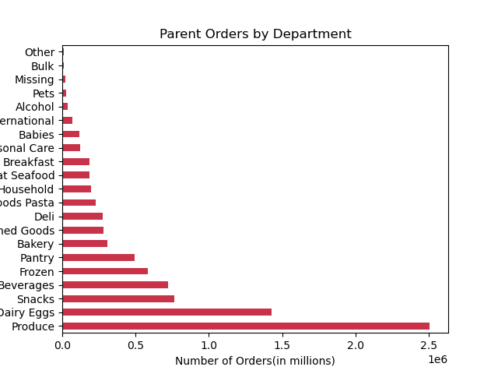 | 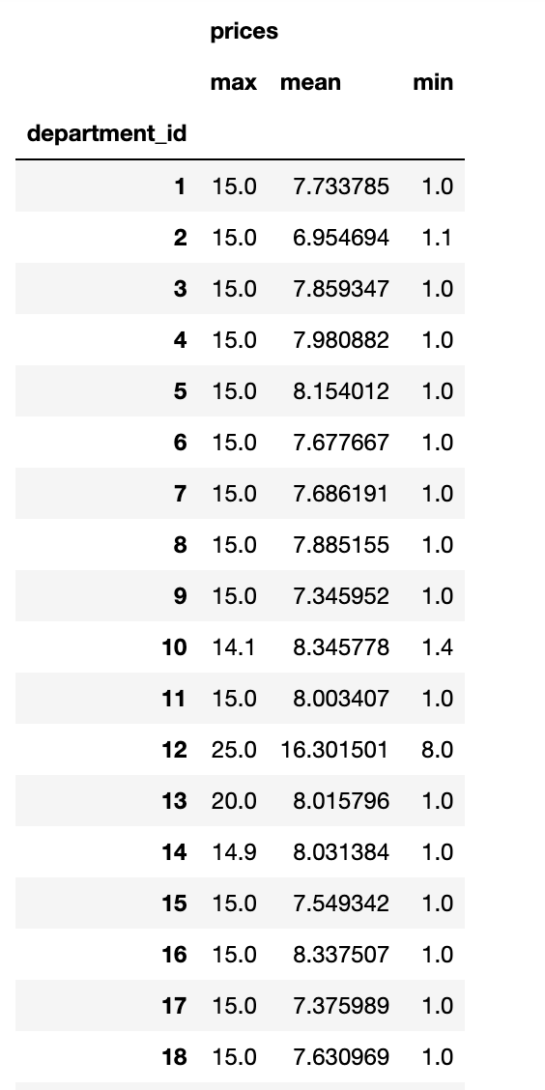
 |  | 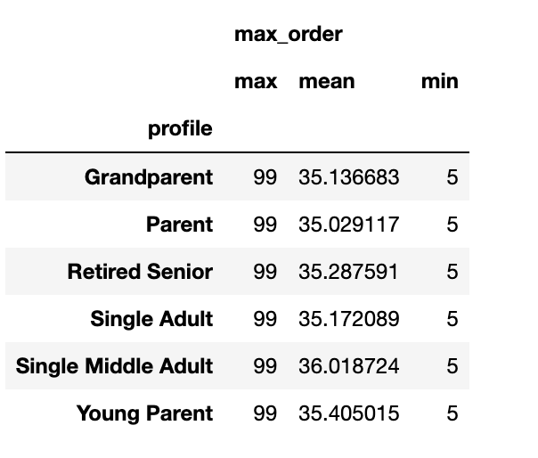 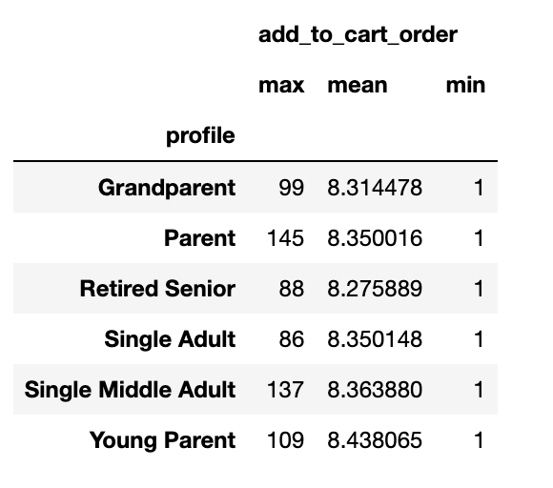 | 